Annotation Guidelines
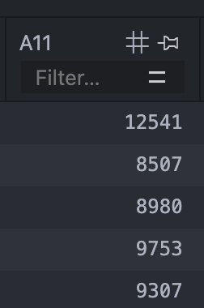
Annotation Guidelines | Very Hard
 | Financial DB, Districts table, A11 column
 |  | Explanation: The name is A11, and it just contains a bunch of numbers. There is literally no way to figure out what it could be without written database documentation.
Very Hard: Given the database name, the table name, the column name and example data from the database, and other columns in the table, it is impossible to accurately determine what the column description should be. Hard: Given the database name, the table name, the column name and example data from the database, and other columns in the table, I am unsure what the column description should be. Medium: Given the database name, the table name, the column name and example data from the database, and other columns in the table, I can accurately determine what the column description should be. Easy: Given only the table name and the column name, and other columns in the table, I can accurately determine what the column description should be. Language: You should translate data to be used for determining the difficulty. The act of translating should not affect the assesment of the difficulty. Tools you are allowed to use: SQLite Viewer in VSCode SQLite3 from the command line CAUTION: The two domains card_games and european_football_2 are both too large to open directly in vscode with SQLite Viewer. You therefore cannot use SQLite Viewer in VSCode to inspect the data for those domains. Instead you have two options: Either use SQLite3 and regular SQL queries from the command line to see the data Download another third-party SQLite database management software online to see the data
 |  | Gold description: The average salary in the district.

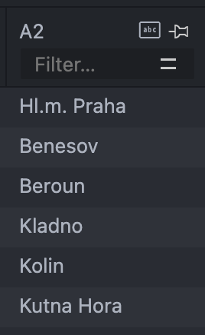
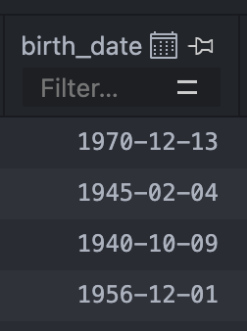
 | Hard column example |  | Medium example | Easy example
 | Financial DB, District table, A2 column |  | student_club DB, zip_code table, short_state col | Financial DB, Client table, birth_date column
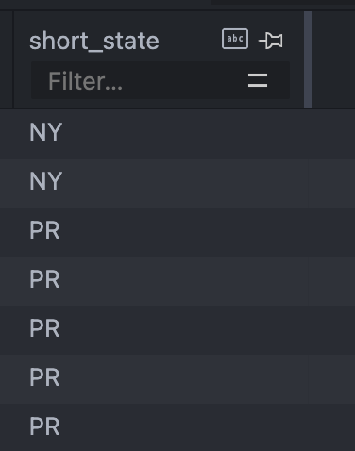

 | Gold description: The name of the district. |  | Gold description: The standard two-letter abbreviation of the state. | Gold description: The birth date of the client.
 | Explanation: The name does not give any information. The data seems to be either cities, regions or something similar. But it is difficult to accurately determine exactly what it is, but you could make an educated guess. |  | Explanation: Given the data inside the database, it is possible to accurately determine that this is a two letter abreviation of the city. | Explenation: Self explanatory, the column name and the table name makes it obvious.

